Sheet1
BOSCOVS

PICK TICKET CHECK LIST |  |  |  | PO# | 693443

 |  |  |  |  | PT#1756938 - 1756988

TICKETING |  |  |  | PROVIDED BY: | PLEASE CREATE BARTENDER
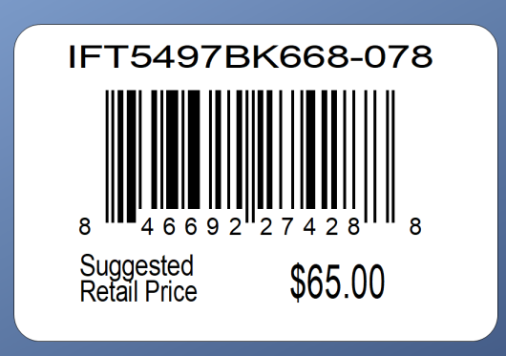

 |  |  | DEPT. 00138 | DC 00015
ROUTING |  |  | PLEASE ROUTE THIS ORDER
 |  |  | WITH LOGICBROKER

PACKING INSTRUCTIONS: | PACK BY STORE
 | UCC LABELS

OUR STYLE# | QTY | CUSTOMER STYLE | UPC# | RETAIL PRICE | BOX-CODE
HANZB-TUA | 660 | HANZB-TUA | 199347309898 | $29.99

